Methodology
< contents page
< Further information

Methodology
This document contains information from a number of sources. Summaries on the methodology of these and links to more information can be found below.

Air Passenger Flow
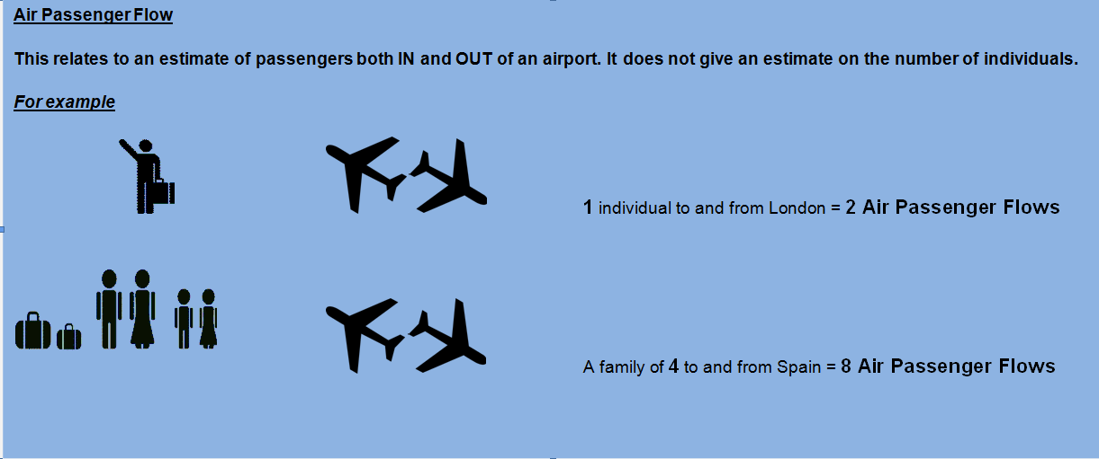

Civil Aviation Authority
Tables used in: 1, 2, 4, 6, 7
Further information can be found at
http://www.caa.co.uk/default.aspx?catid=80&pagetype=88&pageid=3&sglid=3
Summary methodology: Airlines provide the origin and destination of passengers to the Authority
Definitions
Passengers: All revenue and non revenue passengers on air transport movement flights
Terminal Pasengers: is a passenger joining or leaving an aircraft at the reporting airport. A passenger travelling between two reporting airports is counted twice, once at each airport. A passenger who changes from one aircraft to another, carrying the same flight number (change of gauge) is treated as a terminal passenger, as is an interlining passenger.
Transit Passenger: is a passenger who arrives and departs from a reporting airport on the same aircraft which is transiting the airport. Each transit passenger is counted once only and not both on arrival and departure.
Please note that UK domestic passenger traffic is reported at both airports. Therefore, for example someone travelling from Heathrow to Edinburgh will be recorded twice. Any domestic passenger totals therefore overstate the actual number of passengers. Totals reported by airports over a given airport pair are not necessarily the same.

Irish Airports Pairing (CSO)
Tables used in: 1, 2, 5
Futher information can be found at
http://www.cso.ie/px/pxeirestat/Statire/SelectVarVal/Define.asp?maintable=ctm01
CTM01: Passenger Movement by Irish Airport, Direction, Foreign Airport and Month
Summary methodology: Airlines provide the origin and destination of passengers to the CSO
Source: data is provided by the following Airports : Donegal, Dublin, Galway, Kerry County, Knock, Cork, Shannon, Sligo and Waterford

Country of Residence Survey
Tables used in: 2
Further information can be found at
http://www.cso.ie/en/surveysandmethodology/tourismandtravel/countryofresidencesurveycrs/
Summary methodology: One in five passengers on a selected shift both arriving and departing air or sea port in the Republic of Ireland are asked 'what is your country of residence'. The results are grossed up to the airlines data

Northern Ireland Passenger Survey
Tables used in: 2, 3
Futher information can be found at
http://www.detini.gov.uk/stats-nips-methodology
Summary methodology: One in five passengers on a selected shift departing the air or sea port in Northern Ireland are asked for Country of Residence. These results are grossed up to CAA figures.
One in twenty visitors on a selected shift departing the air or sea ports in Northern Ireland were also asked questions regarding their onward journey (to find their final destination)

Continuous Household Survey
Tables used in: 8, 9, 10a, 10b, 11
http://www.csu.nisra.gov.uk/survey.asp28.htm
Summary methodology: Random sample of 4,500 addresses in Northern Ireland. All adults (aged 16+) within these households are invited to participate. The adults were asked how many times they had flown from NI or RoI airport in last 12 months, which airport did they fly from, why that airport, where were they flying to and the purpose of the trip

Last updated: 18/08/2016

< contents page
< Further information

